Sheet1
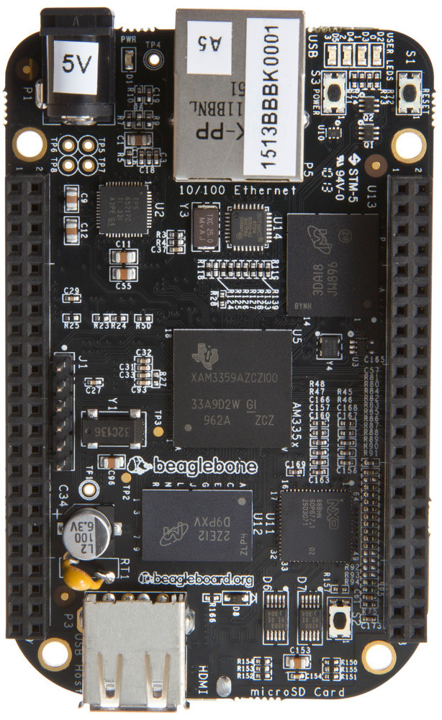
P9 Header |  |  |  |  |  |  |  |  |  |  |  |  |  |  | P8 Header
NoExp | NoHDMI | NoStor | Default | Pin |  | Default | NoStor | NoHDMI | NoExp |  |  |  |  |  | NoExp | NoHDMI | NoStor | Default | Pin |  | Default | NoStor | NoHDMI | NoExp
DGND |  |  |  | 1 | 2 | DGND |  |  |  |  |  |  |  |  | DGND |  |  |  | 1 | 2 | DGND
VDD 3.3V |  |  |  | 3 | 4 | VDD 3.3V |  |  |  |  |  |  |  |  | GPIO | Disabled | GPIO | Disabled | 3 | 4 | Disabled | GPIO | Disabled | GPIO
VDD 5V |  |  |  | 5 | 6 | VDD 5V |  |  |  |  |  |  |  |  | GPIO | Disabled | GPIO | Disabled | 5 | 6 | Disabled | GPIO | Disabled | GPIO
SYS 5V (Don't Use) |  |  |  | 7 | 8 | SYS 5V (Don't Use) |  |  |  |  |  |  |  |  | GPIO 66 |  |  |  | 7 | 8 | GPIO 67
PWR_BUT |  |  |  | 9 | 10 | SYS_RESET |  |  |  |  |  |  |  |  | GPIO 69 |  |  |  | 9 | 10 | GPIO 68
UART RX |  |  |  | 11 | 12 | GPIO 60 |  |  |  |  |  |  |  |  | GPIO 45 |  |  |  | 11 | 12 | GPIO 44
UART TX |  |  |  | 13 | 14 | PWM |  |  |  |  |  |  |  |  | PWM |  |  |  | 13 | 14 | GPIO 26
GPIO 48 |  |  |  | 15 | 16 | PWM |  |  |  |  |  |  |  |  | GPIO 47 |  |  |  | 15 | 16 | GPIO 46
SPI CSOUT |  |  |  | 17 | 18 | SPI DI |  |  |  |  |  |  |  |  | GPIO 27 |  |  |  | 17 | 18 | GPIO 65
I2C SCL |  |  |  | 19 | 20 | I2C SDA |  |  |  |  |  |  |  |  | PWM |  |  |  | 19 | 20 | Disabled | GPIO | Disabled | GPIO
SPI DO |  |  |  | 21 | 22 | SPI CLK |  |  |  |  |  |  |  |  | GPIO | Disabled | GPIO | Disabled | 21 | 22 | Disabled | GPIO | Disabled | GPIO
GPIO 49 |  |  |  | 23 | 24 | GPIO |  |  |  |  |  |  |  |  | GPIO | Disabled | GPIO | Disabled | 23 | 24 | Disabled | GPIO | Disabled | GPIO
GPIO | GPIO | Disabled | Disabled | 25 | 26 | GPIO |  |  |  |  |  |  |  |  | GPIO | Disabled | GPIO | Disabled | 25 | 26 | GPIO 61
GPIO 115 |  |  |  | 27 | 28 | Disabled | Disabled | PWM | PWM |  |  |  |  |  | GPIO | GPIO | Disabled | Disabled | 27 | 28 | Disabled | Disabled | GPIO | GPIO
PWM | PWM | Disabled | Disabled | 29 | 30 | GPIO 112 |  |  |  |  |  |  |  |  | GPIO | GPIO | Disabled | Disabled | 29 | 30 | Disabled | Disabled | GPIO | GPIO
PWM | PWM | Disabled | Disabled | 31 | 32 | ADC VDD |  |  |  |  |  |  |  |  | GPIO | GPIO | Disabled | Disabled | 31 | 32 | Disabled | Disabled | GPIO | GPIO
AIN4 (1.8V Max) |  |  |  | 33 | 34 | ADC GND |  |  |  |  |  |  |  |  | GPIO | GPIO | Disabled | Disabled | 33 | 34 | Disabled | Disabled | PWM | PWM
AIN6 (1.8V Max) |  |  |  | 35 | 36 | AIN5 (1.8V Max) |  |  |  |  |  |  |  |  | GPIO | GPIO | Disabled | Disabled | 35 | 36 | Disabled | Disabled | PWM | PWM
AIN2 (1.8V Max) |  |  |  | 37 | 38 | AIN3 (1.8V Max) |  |  |  |  |  |  |  |  | GPIO | GPIO | Disabled | Disabled | 37 | 38 | Disabled | Disabled | GPIO | GPIO
AIN0 (1.8V Max) |  |  |  | 39 | 40 | AIN1 (1.8V Max) |  |  |  |  |  |  |  |  | GPIO | GPIO | Disabled | Disabled | 39 | 40 | Disabled | Disabled | GPIO | GPIO
GPIO 20 |  |  |  | 41 | 42 | PWM |  |  |  |  |  |  |  |  | GPIO | GPIO | Disabled | Disabled | 41 | 42 | Disabled | Disabled | GPIO | GPIO
DGND |  |  |  | 43 | 44 | DGND |  |  |  |  |  |  |  |  | GPIO | GPIO | Disabled | Disabled | 43 | 44 | Disabled | Disabled | GPIO | GPIO
DGND |  |  |  | 45 | 46 | DGND |  |  |  |  |  |  |  |  | GPIO | GPIO | Disabled | Disabled | 45 | 46 | Disabled | Disabled | GPIO | GPIO

 |  |  |  |  |  |  |  |  | GPIO | PWM | UART | SPI | I2C | ADC | System/Power

